Part A
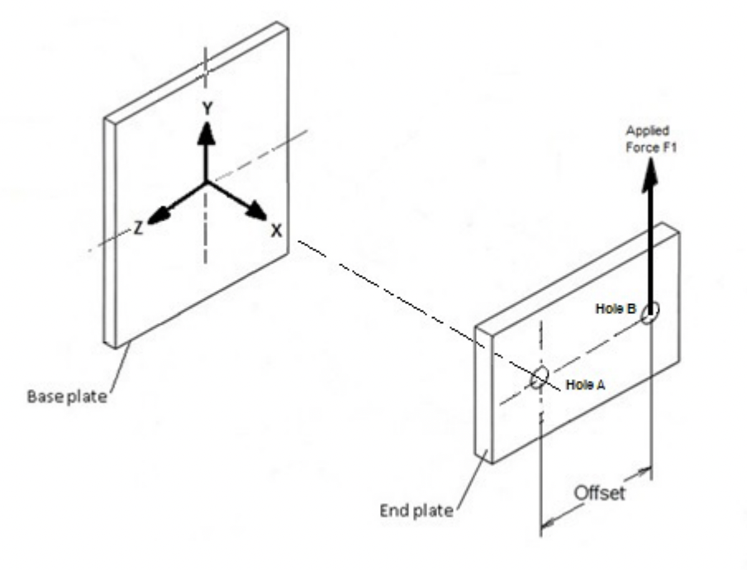
$$w=\frac{ FS}{τ}f_{s}$$
Mechanical Design Bolt and Welding Report
 |  |  |  |  |  |  |  | 470205736 | :SID | Reference
Supplied Data |  |  |  |  |  |  |  |  |  |  | F shear force
 |  |  |  |  |  |  |  |  |  |  | tau allowable shear
 | width (mm) | height (mm) | thicknes (mm) |  |  |  |  |  |  |  | f_s force per length
End Plate | 400 | 350 | 16
Base Plate | 500 | 500 | 16 |  |  |  |  |  |  |  | Bending About X-X | Twisting
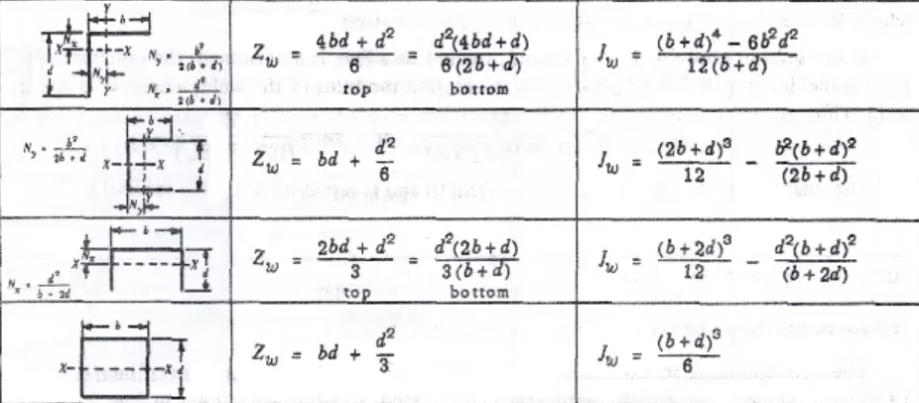
 | (mm)
Beam Length | 1500
Hole B Offset | 186
Hole Diameter | 16

Factor of Saftey | 1.5

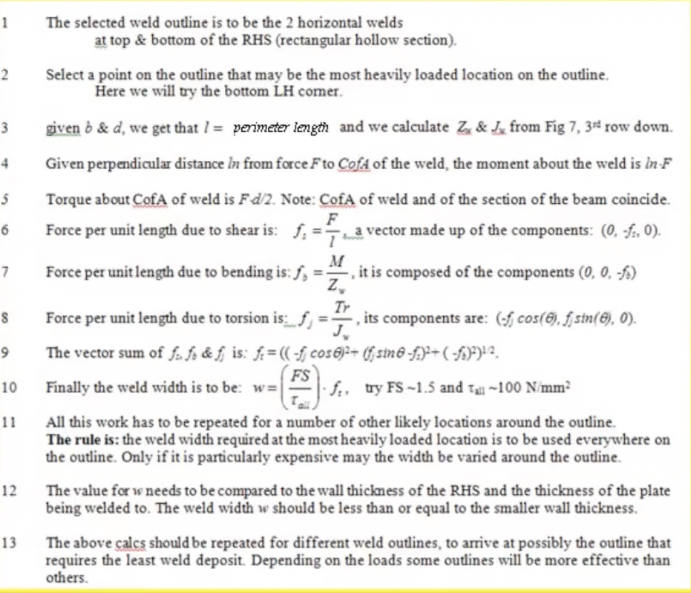
 | (kN)
Force | 5

Section Selection
Applied Forces |  | Material Properties
 | (kN mm) |  | (kN/mm2)
Torsion on beam | 930 | G | 80
Moment on beam | 7500 | E | 210
Requirements |  | Computed Requirements
min def (mm) | 5 | min Ix (106mm4) | 5
min (rad) | 0.005 | min J (106mm4) | 3.4875

 | d (mm) | b (mm) | t (mm) | Ix (106mm4) | J (106mm4) | A
Circular | 88.9 |  | 5.9 | 1.3 | 2.66 | 1538 | 0
Rectangular | 200 | 100 | 6 | 16.7 | 14.2 | 19724 | 0
 | 200 | 100 | 4 | 11.9 | 9.89 | 19716 | 1
 | 150 | 100 | 6 | 8.17 | 9.51 | 14774 | 0
Square | 100 | 100 | 6 | 3.04 | 5.15 | 9824 | 0
Angle | 150 | 100 | 6 | 3.42 | 17.2 | 1464 | 0
Selected | 200 | 100 | 4 | 11.9 | 9.89

Properties of Weld
 | b (mm) | d (mm) | w (mm)
dimensions | 100 | 200

 | Bending (about X-X) |  | Twisting
 | Ztop (mm2) | Zbottom (mm2) | JW (mm3) | l (mm) | A (mm2) | Selected
 | 33333 |  | 4500000 | 600 | 0 | 1
 | 26667 | 17778 | 3216667 | 500 | 0 | 0
 | 26667 |  | 3083333 | 400 | 0 | 0
Selected | 33333 | 0 | 4500000 | 600 | 0
Translational Forces at Weld
 | (kN • mm)
Moment | 7500
Torque | 930

 | x | y
r (mm) | -50 | 100
 |  |  |  |  |  |  |  |  |  | 1 | 2
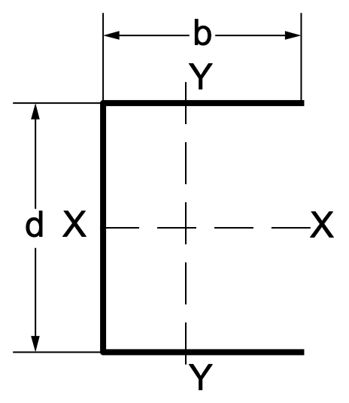
 | x (kN mm) | y | z |  |  |  |  |  |  | 2 | 4
fs |  | -8.3 |  |  |  |  |  |  |  | 3 | 6
fb |  |  | -225.0
fj | 10.3 | 20.7 |  |  |  |  |  |  |  | 3.7416573868
ft | 10.3 | 12.3 | -225.0
Norm | 226

choosen w | 3.38 | tmax | 100

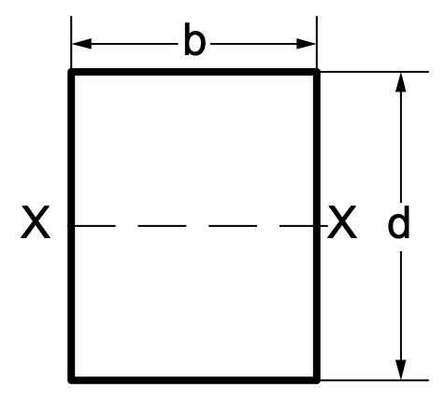

 |  |  |  |  |  |  |  |  |  |  |  |  | Bending (about X-X) |  | Twisting
 |  |  |  |  |  |  |  |  |  |  |  |  | Ztop (mm2) | Zbottom (mm2) | JW (mm3) | l (mm) | A (mm2) | Selected
 |  |  |  |  |  |  |  |  |  |  |  |  | 33333 |  | 4500000 | 600 | 0 | 0
 |  |  |  |  |  |  |  |  |  |  |  |  | 26667 | 17778 | 3216667 | 500 | 0 | 0
 |  |  |  |  |  |  |  |  |  |  |  |  | 26667 |  | 3083333 | 400 | 0 | 1

Part B
Supplied Data

 | width (mm) | height (mm) | thicknes (mm)
End Plate | 400 | 350 | 16
Base Plate | 500 | 500 | 16

 | (mm)
Beam Length | 1500
Hole B Offset | 186
Hole Diameter | 16

Factor of Saftey | 2

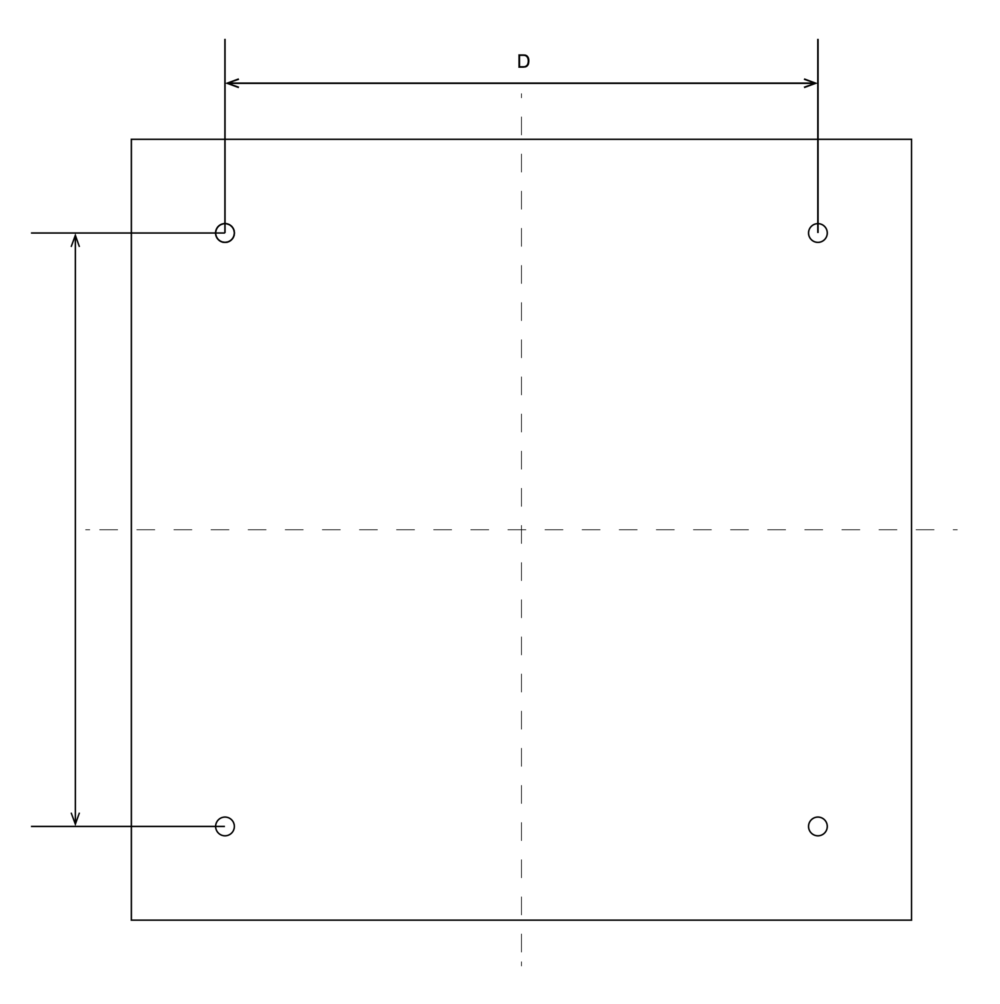
 | (kN)
Force | 5
Wave Force | 3

 | (mm)
D = | 380
Z = | 760
M = | 12000
FT = | 15.789473684

